Planilha1
<Parts>
 | Tag1 | Tag2 | Tag3 | Tag4 |  | Contact | Contact / |  | O | Coil
 | 21 | 22 | 23 | 24 |  | 25 | 28 |  | 27 | 29
<Access Scope="LocalVariable" UId="21"> |  |  |  |  |  | 26
<Symbol> | <Wire UId="30"> | <Wire UId="31"> | <Wire UId="32"> | <Wire UId="33"> | <Wire UId="34"> | <Wire UId="35"> | <Wire UId="36"> | <Wire UId="37"> | <Wire UId="38">
<Component Name="Tag1" /> | <Powerrail /> | <IdentCon UId="21" /> | <NameCon UId="25" Name="out" /> | <IdentCon UId="22" /> | <NameCon UId="26" Name="out" /> | <NameCon UId="27" Name="out" /> | <IdentCon UId="23" /> | <NameCon UId="28" Name="out" /> | <IdentCon UId="24" />
</Symbol> | <NameCon UId="25" Name="in" /> | <NameCon UId="25" Name="operand" /> | <NameCon UId="27" Name="in1" /> | <NameCon UId="26" Name="operand" /> | <NameCon UId="27" Name="in2" /> | <NameCon UId="28" Name="in" /> | <NameCon UId="28" Name="operand" /> | <NameCon UId="29" Name="in" /> | <NameCon UId="29" Name="operand" />
</Access> | <NameCon UId="26" Name="in" /> | </Wire> | </Wire> | </Wire> | </Wire> | </Wire> | </Wire> | </Wire> | </Wire>
 | </Wire>

<Access Scope="LocalVariable" UId="22">
<Symbol>
<Component Name="Tag2" />
</Symbol> | Powerrrail | 25 | 27 | 28 | 29
</Access> |  | 26

<Access Scope="LocalVariable" UId="23"> | <Wire UId="30"> | <Wire UId="32"> | <Wire UId="35"> | <Wire UId="37"> | <Wire UId="38">
<Symbol> | <Powerrail /> | <NameCon UId="25" Name="out" /> | <NameCon UId="27" Name="out" /> | <NameCon UId="28" Name="out" /> | <IdentCon UId="24" />
<Component Name="Tag3" /> | <NameCon UId="25" Name="in" /> | <NameCon UId="27" Name="in1" /> | <NameCon UId="28" Name="in" /> | <NameCon UId="29" Name="in" /> | <NameCon UId="29" Name="operand" />
</Symbol> | <NameCon UId="26" Name="in" /> | </Wire> | </Wire> | </Wire> | </Wire>
</Access> | </Wire> | <Wire UId="34">
 |  | <NameCon UId="26" Name="out" />
 |  | <NameCon UId="27" Name="in2" />
<Access Scope="LocalVariable" UId="24"> |  | </Wire>
<Symbol>
<Component Name="Tag4" />
</Symbol>
</Access>

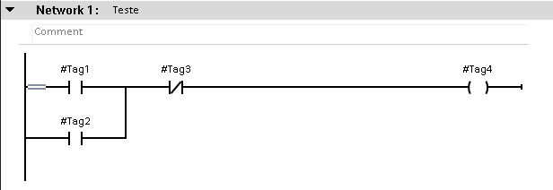
<Part Name="Contact" UId="25" /> | Exemplo 0

<Part Name="Contact" UId="26" />

<Part Name="O" UId="27">
<TemplateValue Name="Card" Type="Cardinality">2</TemplateValue>
</Part>

<Part Name="Contact" UId="28">
<Negated Name="operand" />
</Part>

<Part Name="Coil" UId="29" />
 | Exemplo 1
</Parts>

<Wires>

<Wire UId="30">
<Powerrail />
<NameCon UId="25" Name="in" />
<NameCon UId="26" Name="in" />
</Wire>

<Wire UId="31"> | Exemplo 2
<IdentCon UId="21" />
<NameCon UId="25" Name="operand" />
</Wire>

<Wire UId="32">
<NameCon UId="25" Name="out" />
<NameCon UId="27" Name="in1" />
</Wire>

<Wire UId="33">
<IdentCon UId="22" />
<NameCon UId="26" Name="operand" /> | Exemplo 3
</Wire>

<Wire UId="34">
<NameCon UId="26" Name="out" />
<NameCon UId="27" Name="in2" />
</Wire>

<Wire UId="35">
<NameCon UId="27" Name="out" />
<NameCon UId="28" Name="in" />
</Wire>

<Wire UId="36">
<IdentCon UId="23" />
<NameCon UId="28" Name="operand" />
</Wire>
 | Exemplo 4
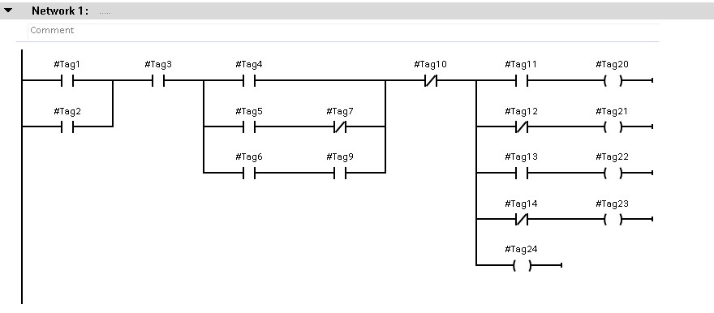
<Wire UId="37">
<NameCon UId="28" Name="out" />
<NameCon UId="29" Name="in" />
</Wire>

<Wire UId="38">
<IdentCon UId="24" />
<NameCon UId="29" Name="operand" />
</Wire>

</Wires>

